Summary
Incremental Potential by Bundle (GWh)
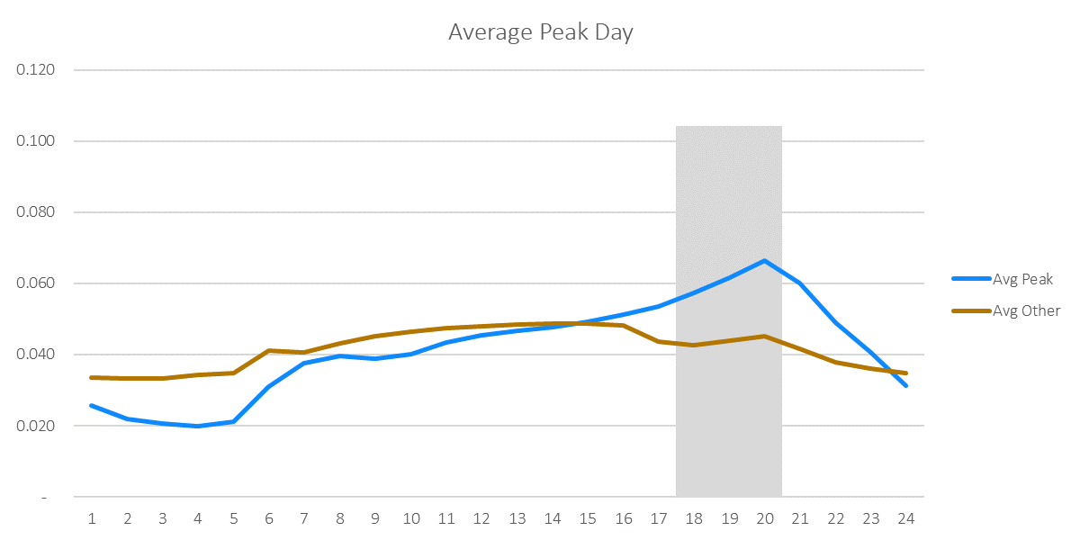
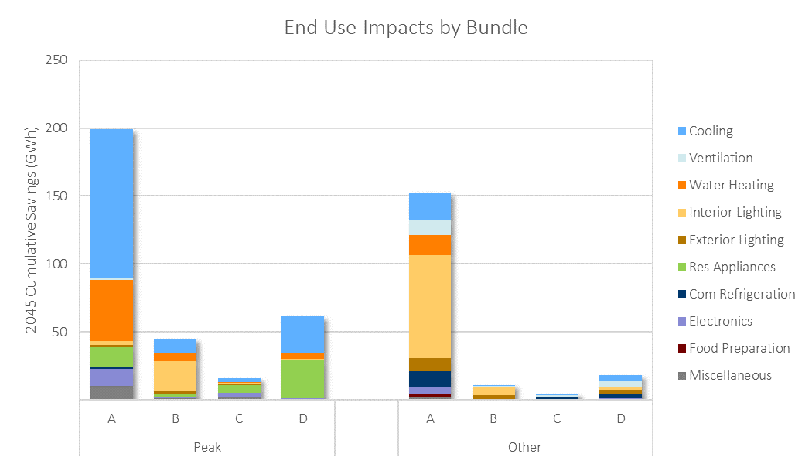

Incremental Potential by Bundle (GWh)
Bundle | 2022 | 2023 | 2024 | 2025 | 2026 | 2027 | 2028 | 2029 | 2030 | 2031 | 2032 | 2033 | 2034 | 2035 | 2036 | 2037 | 2038 | 2039 | 2040 | 2041 | 2042 | 2043 | 2044 | 2045 | 2046 | 2047 | 2048 | 2049 | 2050
Peak_A | 5.47 | 6.46 | 7.49 | 8.52 | 9.47 | 10.39 | 11.35 | 11.93 | 12.11 | 12.54 | 11.98 | 11.90 | 9.27 | 8.44 | 8.08 | 7.81 | 7.71 | 8.26 | 7.80 | 6.53 | 5.69 | 5.43 | 4.80 | 4.77 | 4.73 | 4.68 | 4.63 | 4.56 | 4.48
Other_A | 6.48 | 7.21 | 8.00 | 8.55 | 8.69 | 7.11 | 7.22 | 7.56 | 7.66 | 7.76 | 7.33 | 7.35 | 7.22 | 6.27 | 6.35 | 4.87 | 4.68 | 4.79 | 5.05 | 4.87 | 4.35 | 4.04 | 3.46 | 3.43 | 3.40 | 3.36 | 3.31 | 3.25 | 3.19
Peak_B | 2.42 | 2.38 | 2.51 | 2.50 | 2.09 | 1.85 | 1.80 | 1.79 | 1.75 | 1.78 | 1.74 | 1.76 | 1.81 | 1.75 | 1.69 | 1.65 | 1.52 | 1.57 | 1.43 | 0.99 | 0.91 | 0.98 | 0.89 | 0.88 | 0.88 | 0.87 | 0.86 | 0.85 | 0.84
Other_B | 1.03 | 0.72 | 0.69 | 0.70 | 0.40 | 0.23 | 0.16 | 0.15 | 0.14 | 0.14 | 0.11 | 0.11 | 0.10 | 0.09 | 0.09 | 0.09 | 0.21 | 0.20 | 0.20 | 0.15 | 0.14 | 0.13 | 0.03 | 0.03 | 0.03 | 0.03 | 0.03 | 0.03 | 0.03
Peak_C | 0.41 | 0.49 | 0.61 | 0.70 | 0.78 | 0.85 | 0.92 | 0.99 | 0.99 | 1.01 | 1.02 | 1.03 | 0.69 | 0.67 | 0.66 | 0.65 | 0.64 | 0.69 | 0.66 | 0.51 | 0.47 | 0.44 | 0.44 | 0.44 | 0.43 | 0.43 | 0.43 | 0.42 | 0.42
Other_C | 0.11 | 0.12 | 0.14 | 0.15 | 0.15 | 0.16 | 0.17 | 0.18 | 0.19 | 0.20 | 0.19 | 0.19 | 0.20 | 0.22 | 0.21 | 0.20 | 0.18 | 0.18 | 0.16 | 0.14 | 0.13 | 0.12 | 0.10 | 0.10 | 0.10 | 0.10 | 0.10 | 0.09 | 0.09
Peak_D | 2.14 | 2.53 | 3.10 | 3.49 | 3.85 | 4.25 | 4.53 | 4.82 | 4.75 | 4.68 | 4.64 | 4.53 | 2.44 | 2.26 | 2.17 | 2.09 | 2.05 | 2.22 | 2.11 | 1.66 | 1.52 | 1.45 | 1.44 | 1.43 | 1.42 | 1.42 | 1.40 | 1.39 | 1.37
Other_D | 0.71 | 0.77 | 0.82 | 0.87 | 0.91 | 0.91 | 0.94 | 0.98 | 0.99 | 1.01 | 1.02 | 1.03 | 0.93 | 0.92 | 0.93 | 0.94 | 0.92 | 0.93 | 0.86 | 0.72 | 0.68 | 0.66 | 0.52 | 0.52 | 0.51 | 0.51 | 0.50 | 0.50 | 0.49
Total | 18.77 | 20.68 | 23.36 | 25.49 | 26.35 | 25.76 | 27.10 | 28.39 | 28.59 | 29.12 | 28.03 | 27.92 | 22.64 | 20.62 | 20.18 | 18.30 | 17.90 | 18.83 | 18.25 | 15.58 | 13.89 | 13.24 | 11.67 | 11.60 | 11.51 | 11.40 | 11.26 | 11.10 | 10.91

Cumulative Potential by Bundle (GWh)
Bundle | 2022 | 2023 | 2024 | 2025 | 2026 | 2027 | 2028 | 2029 | 2030 | 2031 | 2032 | 2033 | 2034 | 2035 | 2036 | 2037 | 2038 | 2039 | 2040 | 2041 | 2042 | 2043 | 2044 | 2045 | 2046 | 2047 | 2048 | 2049 | 2050
Peak_A | 5 | 12 | 19 | 28 | 37 | 48 | 59 | 71 | 83 | 96 | 108 | 120 | 129 | 137 | 145 | 153 | 161 | 169 | 177 | 184 | 189 | 195 | 199 | 204 | 209 | 214 | 218 | 223 | 227
Other_A | 6 | 14 | 22 | 30 | 39 | 46 | 53 | 61 | 68 | 76 | 84 | 91 | 98 | 104 | 111 | 116 | 120 | 125 | 130 | 135 | 139 | 143 | 147 | 150 | 154 | 157 | 160 | 164 | 167
Peak_B | 2 | 5 | 7 | 10 | 12 | 14 | 16 | 17 | 19 | 21 | 23 | 24 | 26 | 28 | 30 | 31 | 33 | 34 | 36 | 37 | 38 | 39 | 40 | 40 | 41 | 42 | 43 | 44 | 45
Other_B | 1 | 2 | 2 | 3 | 4 | 4 | 4 | 4 | 4 | 4 | 4 | 5 | 5 | 5 | 5 | 5 | 5 | 5 | 6 | 6 | 6 | 6 | 6 | 6 | 6 | 6 | 6 | 6 | 6
Peak_C | 0 | 1 | 2 | 2 | 3 | 4 | 5 | 6 | 7 | 8 | 9 | 10 | 11 | 11 | 12 | 12 | 13 | 14 | 14 | 15 | 15 | 16 | 16 | 17 | 17 | 18 | 18 | 18 | 19
Other_C | 0 | 0 | 0 | 1 | 1 | 1 | 1 | 1 | 1 | 2 | 2 | 2 | 2 | 2 | 3 | 3 | 3 | 3 | 3 | 3 | 4 | 4 | 4 | 4 | 4 | 4 | 4 | 4 | 4
Peak_D | 2 | 5 | 8 | 11 | 15 | 19 | 24 | 29 | 33 | 38 | 43 | 47 | 50 | 52 | 54 | 56 | 58 | 61 | 63 | 64 | 66 | 67 | 69 | 70 | 72 | 73 | 74 | 76 | 77
Other_D | 1 | 1 | 2 | 3 | 4 | 5 | 6 | 7 | 8 | 9 | 10 | 11 | 12 | 13 | 14 | 15 | 16 | 17 | 17 | 18 | 19 | 19 | 20 | 20 | 21 | 22 | 22 | 23 | 23
Total | 19 | 39 | 63 | 88 | 115 | 140 | 168 | 196 | 224 | 254 | 282 | 310 | 332 | 353 | 373 | 391 | 409 | 428 | 446 | 462 | 476 | 489 | 501 | 512 | 524 | 535 | 546 | 558 | 568

Savings-Weighted LCOE ($/MWh) Real Dollars (2019)
Bundle | 2022 | 2023 | 2024 | 2025 | 2026 | 2027 | 2028 | 2029 | 2030 | 2031 | 2032 | 2033 | 2034 | 2035 | 2036 | 2037 | 2038 | 2039 | 2040 | 2041 | 2042 | 2043 | 2044 | 2045 | 2046 | 2047 | 2048 | 2049 | 2050
Peak_A | $58 | $58 | $59 | $58 | $58 | $58 | $57 | $57 | $57 | $56 | $57 | $58 | $57 | $67 | $66 | $67 | $67 | $67 | $67 | $71 | $73 | $72 | $74 | $75 | $74 | $74 | $74 | $74 | $74
Other_A | -$3 | -$13 | -$21 | -$23 | -$21 | $31 | $36 | $35 | $31 | $32 | $32 | $32 | $34 | $40 | $40 | $39 | $40 | $40 | $40 | $37 | $37 | $38 | $38 | $38 | $38 | $38 | $38 | $38 | $38
Peak_B | $54 | $69 | $71 | $35 | $39 | $58 | $68 | $75 | $71 | $76 | $80 | $83 | $82 | $81 | $77 | $78 | $81 | $81 | $107 | $87 | $86 | $74 | $70 | $70 | $70 | $70 | $70 | $70 | $70
Other_B | $6 | $14 | $17 | $14 | $39 | $86 | $141 | $156 | $181 | $182 | $227 | $235 | $252 | $253 | $257 | $260 | $94 | $92 | $94 | $51 | $44 | $47 | $217 | $217 | $217 | $217 | $217 | $217 | $217
Peak_C | $158 | $159 | $146 | $147 | $148 | $147 | $147 | $147 | $168 | $169 | $170 | $171 | $179 | $178 | $179 | $180 | $181 | $179 | $180 | $180 | $182 | $184 | $184 | $184 | $184 | $184 | $184 | $184 | $184
Other_C | $234 | $233 | $232 | $232 | $232 | $232 | $232 | $232 | $219 | $219 | $221 | $221 | $221 | $220 | $220 | $222 | $224 | $226 | $228 | $230 | $233 | $236 | $236 | $236 | $236 | $236 | $236 | $236 | $236
Peak_D | $616 | $625 | $591 | $594 | $598 | $598 | $600 | $601 | $601 | $603 | $601 | $593 | $487 | $452 | $459 | $467 | $475 | $450 | $450 | $433 | $440 | $462 | $467 | $466 | $467 | $467 | $467 | $467 | $467
Other_D | $2,191 | $2,189 | $2,190 | $2,211 | $2,233 | $2,305 | $2,310 | $2,311 | $2,308 | $2,295 | $2,291 | $2,279 | $2,141 | $2,135 | $2,133 | $2,133 | $2,179 | $2,181 | $2,250 | $2,348 | $2,369 | $2,368 | $1,893 | $1,893 | $1,891 | $1,891 | $1,891 | $1,891 | $1,891
Total | $180 | $185 | $181 | $178 | $188 | $223 | $226 | $227 | $225 | $222 | $229 | $227 | $190 | $201 | $203 | $219 | $222 | $216 | $215 | $211 | $221 | $223 | $198 | $199 | $199 | $199 | $199 | $200 | $200

Savings-Weighted LCOE ($/MWh) Nominal Dollars
Bundle | 2022 | 2023 | 2024 | 2025 | 2026 | 2027 | 2028 | 2029 | 2030 | 2031 | 2032 | 2033 | 2034 | 2035 | 2036 | 2037 | 2038 | 2039 | 2040 | 2041 | 2042 | 2043 | 2044 | 2045 | 2046 | 2047 | 2048 | 2049 | 2050
Peak_A | $58 | $59 | $61 | $62 | $63 | $64 | $64 | $66 | $67 | $67 | $70 | $73 | $74 | $88 | $89 | $91 | $94 | $96 | $98 | $105 | $110 | $111 | $117 | $122 | $122 | $125 | $127 | $130 | $133
Other_A | -$3 | -$13 | -$22 | -$25 | -$23 | $35 | $41 | $41 | $37 | $38 | $39 | $40 | $44 | $52 | $53 | $54 | $56 | $56 | $58 | $54 | $57 | $58 | $59 | $61 | $62 | $63 | $65 | $66 | $67
Peak_B | $54 | $71 | $74 | $37 | $43 | $65 | $77 | $87 | $84 | $92 | $99 | $105 | $105 | $106 | $103 | $106 | $113 | $115 | $156 | $128 | $130 | $114 | $110 | $112 | $115 | $117 | $120 | $122 | $125
Other_B | $6 | $14 | $18 | $15 | $43 | $95 | $160 | $180 | $214 | $219 | $280 | $295 | $323 | $332 | $344 | $355 | $131 | $131 | $136 | $76 | $67 | $73 | $342 | $349 | $357 | $364 | $372 | $380 | $388
Peak_C | $158 | $162 | $152 | $157 | $160 | $164 | $167 | $170 | $199 | $204 | $209 | $215 | $230 | $233 | $239 | $246 | $252 | $255 | $261 | $267 | $275 | $285 | $291 | $296 | $304 | $310 | $317 | $323 | $330
Other_C | $234 | $238 | $242 | $247 | $252 | $257 | $263 | $268 | $259 | $264 | $272 | $278 | $284 | $288 | $294 | $303 | $312 | $321 | $332 | $342 | $353 | $365 | $372 | $380 | $388 | $396 | $404 | $413 | $422
Peak_D | $616 | $638 | $616 | $633 | $650 | $664 | $679 | $695 | $710 | $727 | $740 | $745 | $625 | $592 | $614 | $637 | $662 | $640 | $654 | $642 | $667 | $715 | $737 | $752 | $769 | $785 | $801 | $818 | $835
Other_D | $2,191 | $2,235 | $2,283 | $2,353 | $2,426 | $2,557 | $2,617 | $2,673 | $2,726 | $2,767 | $2,821 | $2,865 | $2,747 | $2,797 | $2,853 | $2,913 | $3,038 | $3,105 | $3,271 | $3,486 | $3,590 | $3,663 | $2,990 | $3,053 | $3,115 | $3,180 | $3,247 | $3,315 | $3,385
Total | $180 | $189 | $188 | $189 | $204 | $248 | $256 | $263 | $266 | $268 | $282 | $286 | $244 | $263 | $271 | $299 | $310 | $308 | $313 | $312 | $334 | $346 | $313 | $321 | $327 | $334 | $342 | $350 | $358

Financial Escalation Factor | 2.1%
LCOE Floor |  | Applies cap to negative levelized costs (e.g. when NEIs push costs negative or efficient option is cheaper than baseline option)
LCOE Ceiling |  | Applies cap to very high levelized costs (e.g. when a measure is an unusually small saver resulting in a near-infinite ratio)

