Summary
Incremental Potential by Bundle (GWh)
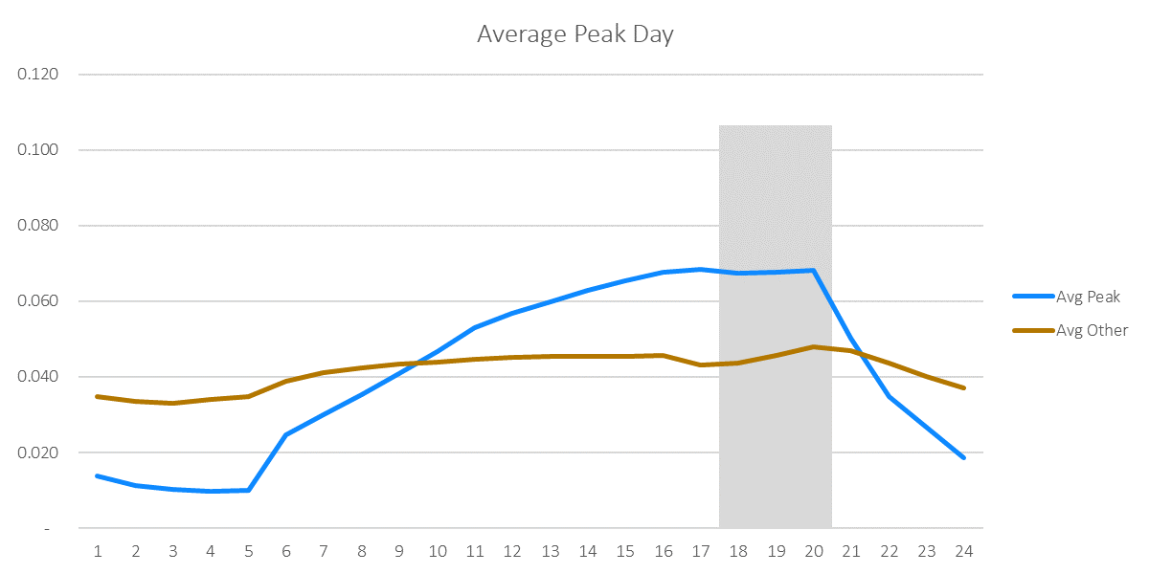
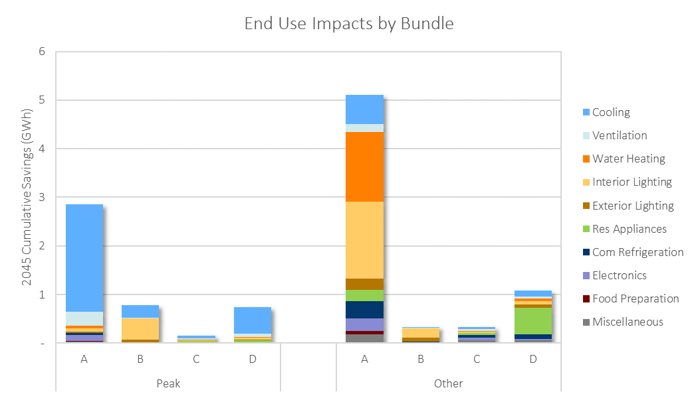

Incremental Potential by Bundle (GWh)
Bundle | 2022 | 2023 | 2024 | 2025 | 2026 | 2027 | 2028 | 2029 | 2030 | 2031 | 2032 | 2033 | 2034 | 2035 | 2036 | 2037 | 2038 | 2039 | 2040 | 2041 | 2042 | 2043 | 2044 | 2045 | 2046 | 2047 | 2048 | 2049 | 2050
Peak_A | 0.07 | 0.09 | 0.10 | 0.12 | 0.13 | 0.13 | 0.14 | 0.14 | 0.14 | 0.15 | 0.14 | 0.14 | 0.13 | 0.12 | 0.13 | 0.13 | 0.13 | 0.14 | 0.13 | 0.11 | 0.10 | 0.10 | 0.09 | 0.09 | 0.09 | 0.09 | 0.09 | 0.09 | 0.08
Other_A | 0.19 | 0.21 | 0.24 | 0.28 | 0.25 | 0.26 | 0.28 | 0.30 | 0.32 | 0.31 | 0.30 | 0.30 | 0.28 | 0.28 | 0.26 | 0.24 | 0.24 | 0.24 | 0.25 | 0.24 | 0.21 | 0.20 | 0.18 | 0.18 | 0.17 | 0.17 | 0.17 | 0.17 | 0.17
Peak_B | 0.04 | 0.05 | 0.06 | 0.06 | 0.05 | 0.03 | 0.03 | 0.03 | 0.03 | 0.03 | 0.02 | 0.02 | 0.03 | 0.02 | 0.03 | 0.02 | 0.02 | 0.03 | 0.02 | 0.02 | 0.02 | 0.02 | 0.02 | 0.02 | 0.02 | 0.02 | 0.02 | 0.02 | 0.02
Other_B | 0.04 | 0.04 | 0.04 | 0.04 | 0.02 | 0.01 | 0.01 | 0.01 | 0.00 | 0.00 | 0.00 | 0.00 | 0.00 | 0.00 | 0.00 | 0.00 | 0.01 | 0.01 | 0.01 | 0.00 | 0.00 | 0.00 | 0.00 | 0.00 | 0.00 | 0.00 | 0.00 | 0.00 | 0.00
Peak_C | 0.00 | 0.01 | 0.01 | 0.01 | 0.01 | 0.01 | 0.01 | 0.01 | 0.01 | 0.01 | 0.01 | 0.01 | 0.01 | 0.01 | 0.01 | 0.01 | 0.01 | 0.01 | 0.01 | 0.01 | 0.01 | 0.01 | 0.01 | 0.01 | 0.01 | 0.01 | 0.01 | 0.01 | 0.01
Other_C | 0.01 | 0.01 | 0.02 | 0.02 | 0.02 | 0.02 | 0.02 | 0.02 | 0.02 | 0.02 | 0.01 | 0.02 | 0.02 | 0.02 | 0.02 | 0.02 | 0.02 | 0.02 | 0.02 | 0.01 | 0.01 | 0.01 | 0.01 | 0.01 | 0.01 | 0.01 | 0.01 | 0.01 | 0.01
Peak_D | 0.03 | 0.04 | 0.05 | 0.05 | 0.05 | 0.06 | 0.06 | 0.06 | 0.06 | 0.06 | 0.05 | 0.04 | 0.03 | 0.03 | 0.03 | 0.03 | 0.03 | 0.03 | 0.03 | 0.02 | 0.02 | 0.02 | 0.02 | 0.02 | 0.02 | 0.02 | 0.02 | 0.02 | 0.02
Other_D | 0.03 | 0.04 | 0.05 | 0.06 | 0.06 | 0.06 | 0.06 | 0.06 | 0.06 | 0.06 | 0.06 | 0.06 | 0.04 | 0.05 | 0.04 | 0.04 | 0.04 | 0.04 | 0.04 | 0.04 | 0.04 | 0.04 | 0.03 | 0.03 | 0.03 | 0.03 | 0.03 | 0.03 | 0.03
Total | 0.43 | 0.49 | 0.55 | 0.63 | 0.59 | 0.56 | 0.59 | 0.62 | 0.63 | 0.63 | 0.60 | 0.60 | 0.54 | 0.52 | 0.51 | 0.49 | 0.49 | 0.51 | 0.50 | 0.44 | 0.40 | 0.38 | 0.35 | 0.34 | 0.34 | 0.34 | 0.34 | 0.33 | 0.33

Cumulative Potential by Bundle (GWh)
Bundle | 2022 | 2023 | 2024 | 2025 | 2026 | 2027 | 2028 | 2029 | 2030 | 2031 | 2032 | 2033 | 2034 | 2035 | 2036 | 2037 | 2038 | 2039 | 2040 | 2041 | 2042 | 2043 | 2044 | 2045 | 2046 | 2047 | 2048 | 2049 | 2050
Peak_A | 0 | 0 | 0 | 0 | 1 | 1 | 1 | 1 | 1 | 1 | 1 | 1 | 2 | 2 | 2 | 2 | 2 | 2 | 2 | 3 | 3 | 3 | 3 | 3 | 3 | 3 | 3 | 3 | 3
Other_A | 0 | 0 | 1 | 1 | 1 | 1 | 2 | 2 | 2 | 3 | 3 | 3 | 4 | 4 | 4 | 4 | 5 | 5 | 5 | 5 | 5 | 6 | 6 | 6 | 6 | 6 | 7 | 7 | 7
Peak_B | 0 | 0 | 0 | 0 | 0 | 0 | 0 | 0 | 0 | 0 | 0 | 0 | 0 | 1 | 1 | 1 | 1 | 1 | 1 | 1 | 1 | 1 | 1 | 1 | 1 | 1 | 1 | 1 | 1
Other_B | 0 | 0 | 0 | 0 | 0 | 0 | 0 | 0 | 0 | 0 | 0 | 0 | 0 | 0 | 0 | 0 | 0 | 0 | 0 | 0 | 0 | 0 | 0 | 0 | 0 | 0 | 0 | 0 | 0
Peak_C | 0 | 0 | 0 | 0 | 0 | 0 | 0 | 0 | 0 | 0 | 0 | 0 | 0 | 0 | 0 | 0 | 0 | 0 | 0 | 0 | 0 | 0 | 0 | 0 | 0 | 0 | 0 | 0 | 0
Other_C | 0 | 0 | 0 | 0 | 0 | 0 | 0 | 0 | 0 | 0 | 0 | 0 | 0 | 0 | 0 | 0 | 0 | 0 | 0 | 0 | 0 | 0 | 0 | 0 | 0 | 0 | 0 | 0 | 0
Peak_D | 0 | 0 | 0 | 0 | 0 | 0 | 0 | 0 | 0 | 1 | 1 | 1 | 1 | 1 | 1 | 1 | 1 | 1 | 1 | 1 | 1 | 1 | 1 | 1 | 1 | 1 | 1 | 1 | 1
Other_D | 0 | 0 | 0 | 0 | 0 | 0 | 0 | 0 | 0 | 1 | 1 | 1 | 1 | 1 | 1 | 1 | 1 | 1 | 1 | 1 | 1 | 1 | 1 | 1 | 1 | 1 | 1 | 1 | 1
Total | 0 | 1 | 1 | 2 | 3 | 3 | 4 | 4 | 5 | 6 | 6 | 7 | 7 | 8 | 9 | 9 | 9 | 10 | 10 | 11 | 11 | 12 | 12 | 12 | 13 | 13 | 13 | 14 | 14

Savings-Weighted LCOE ($/MWh) Real Dollars (2019)
Bundle | 2022 | 2023 | 2024 | 2025 | 2026 | 2027 | 2028 | 2029 | 2030 | 2031 | 2032 | 2033 | 2034 | 2035 | 2036 | 2037 | 2038 | 2039 | 2040 | 2041 | 2042 | 2043 | 2044 | 2045 | 2046 | 2047 | 2048 | 2049 | 2050
Peak_A | $60 | $58 | $61 | $63 | $61 | $61 | $60 | $63 | $62 | $61 | $64 | $65 | $65 | $64 | $63 | $65 | $65 | $66 | $66 | $70 | $72 | $72 | $74 | $74 | $74 | $74 | $74 | $74 | $74
Other_A | -$1 | -$1 | $2 | $16 | $44 | $46 | $47 | $47 | $44 | $45 | $43 | $44 | $44 | $46 | $44 | $45 | $44 | $43 | $43 | $44 | $45 | $46 | $59 | $62 | $52 | $52 | $52 | $52 | $52
Peak_B | $69 | $62 | $63 | $18 | $20 | $47 | $54 | $58 | $47 | $58 | $70 | $90 | $85 | $71 | $61 | $66 | $70 | $87 | $89 | $87 | $80 | $67 | $67 | $67 | $67 | $67 | $67 | $67 | $67
Other_B | $2 | $4 | $6 | $1 | $23 | $101 | $96 | $122 | $135 | $134 | $225 | $237 | $256 | $264 | $268 | $272 | $80 | $81 | $79 | $26 | $12 | $14 | $201 | $201 | $201 | $201 | $201 | $201 | $201
Peak_C | $211 | $202 | $205 | $208 | $207 | $217 | $218 | $219 | $220 | $220 | $221 | $221 | $220 | $221 | $222 | $223 | $222 | $223 | $222 | $237 | $240 | $240 | $239 | $239 | $239 | $239 | $239 | $239 | $239
Other_C | $174 | $175 | $177 | $181 | $181 | $183 | $184 | $185 | $186 | $192 | $196 | $196 | $193 | $192 | $192 | $192 | $192 | $191 | $191 | $206 | $210 | $214 | $215 | $215 | $215 | $215 | $215 | $215 | $215
Peak_D | $789 | $803 | $830 | $846 | $865 | $907 | $923 | $937 | $961 | $967 | $1,053 | $1,143 | $796 | $723 | $728 | $730 | $725 | $720 | $718 | $726 | $721 | $734 | $729 | $729 | $729 | $729 | $729 | $729 | $729
Other_D | $1,126 | $1,014 | $932 | $935 | $962 | $1,123 | $1,171 | $1,186 | $1,280 | $1,307 | $1,323 | $1,345 | $1,441 | $1,417 | $1,462 | $1,650 | $1,675 | $1,596 | $1,654 | $1,539 | $1,578 | $1,540 | $1,524 | $1,525 | $1,523 | $1,523 | $1,523 | $1,523 | $1,523
Total | $170 | $179 | $181 | $182 | $224 | $248 | $248 | $253 | $248 | $253 | $263 | $261 | $212 | $214 | $218 | $228 | $230 | $228 | $223 | $218 | $228 | $229 | $248 | $250 | $245 | $246 | $247 | $248 | $249

Savings-Weighted LCOE ($/MWh) Nominal Dollars
Bundle | 2022 | 2023 | 2024 | 2025 | 2026 | 2027 | 2028 | 2029 | 2030 | 2031 | 2032 | 2033 | 2034 | 2035 | 2036 | 2037 | 2038 | 2039 | 2040 | 2041 | 2042 | 2043 | 2044 | 2045 | 2046 | 2047 | 2048 | 2049 | 2050
Peak_A | $60 | $60 | $63 | $67 | $66 | $68 | $68 | $73 | $73 | $73 | $79 | $81 | $83 | $84 | $85 | $88 | $91 | $94 | $95 | $104 | $109 | $112 | $116 | $119 | $121 | $124 | $126 | $129 | $132
Other_A | -$1 | -$1 | $3 | $17 | $47 | $51 | $53 | $54 | $52 | $54 | $53 | $55 | $57 | $60 | $59 | $61 | $61 | $62 | $63 | $65 | $68 | $71 | $93 | $100 | $86 | $88 | $90 | $92 | $93
Peak_B | $69 | $63 | $66 | $19 | $21 | $52 | $61 | $67 | $55 | $69 | $86 | $113 | $109 | $93 | $82 | $90 | $97 | $124 | $129 | $129 | $121 | $103 | $106 | $108 | $110 | $112 | $115 | $117 | $120
Other_B | $2 | $4 | $6 | $1 | $25 | $113 | $109 | $141 | $159 | $161 | $277 | $298 | $328 | $347 | $359 | $371 | $111 | $115 | $115 | $39 | $18 | $22 | $318 | $325 | $331 | $338 | $345 | $353 | $360
Peak_C | $211 | $206 | $213 | $222 | $225 | $240 | $247 | $253 | $260 | $266 | $272 | $278 | $282 | $289 | $297 | $304 | $310 | $318 | $323 | $352 | $363 | $371 | $378 | $386 | $394 | $402 | $411 | $419 | $428
Other_C | $174 | $178 | $185 | $192 | $196 | $203 | $208 | $214 | $219 | $232 | $241 | $247 | $248 | $252 | $257 | $262 | $267 | $272 | $277 | $305 | $319 | $331 | $340 | $346 | $354 | $361 | $369 | $377 | $385
Peak_D | $789 | $820 | $865 | $900 | $940 | $1,006 | $1,045 | $1,084 | $1,135 | $1,166 | $1,296 | $1,436 | $1,021 | $947 | $973 | $998 | $1,011 | $1,025 | $1,044 | $1,078 | $1,093 | $1,136 | $1,152 | $1,176 | $1,200 | $1,226 | $1,251 | $1,278 | $1,305
Other_D | $1,126 | $1,035 | $971 | $996 | $1,045 | $1,246 | $1,327 | $1,372 | $1,512 | $1,576 | $1,629 | $1,690 | $1,849 | $1,856 | $1,956 | $2,254 | $2,336 | $2,272 | $2,404 | $2,284 | $2,392 | $2,382 | $2,408 | $2,460 | $2,508 | $2,561 | $2,615 | $2,669 | $2,725
Total | $170 | $183 | $189 | $194 | $244 | $275 | $281 | $293 | $293 | $304 | $323 | $329 | $273 | $280 | $291 | $312 | $320 | $325 | $325 | $323 | $345 | $354 | $392 | $404 | $404 | $414 | $424 | $434 | $445

Financial Escalation Factor | 2.1%
LCOE Floor |  | Applies cap to negative levelized costs (e.g. when NEIs push costs negative or efficient option is cheaper than baseline option)
LCOE Ceiling |  | Applies cap to very high levelized costs (e.g. when a measure is an unusually small saver resulting in a near-infinite ratio)

