Summary
Incremental Potential by Bundle (GWh)
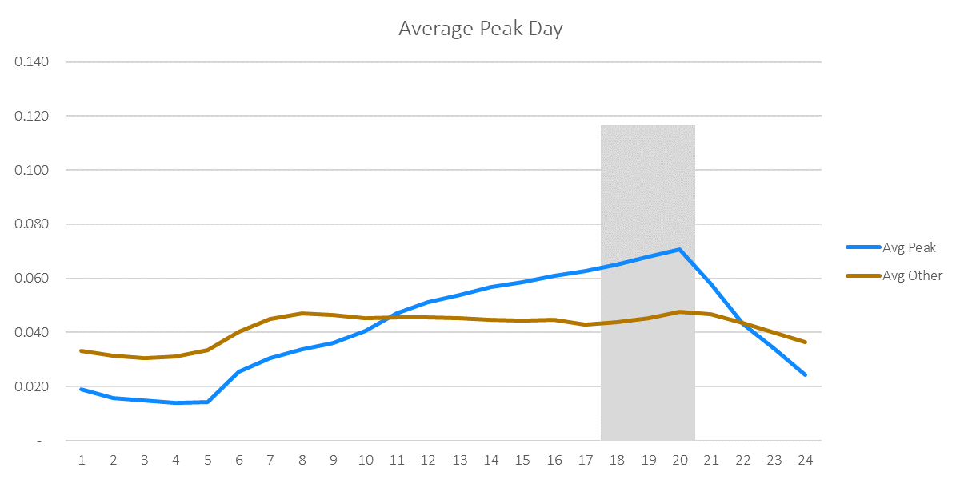
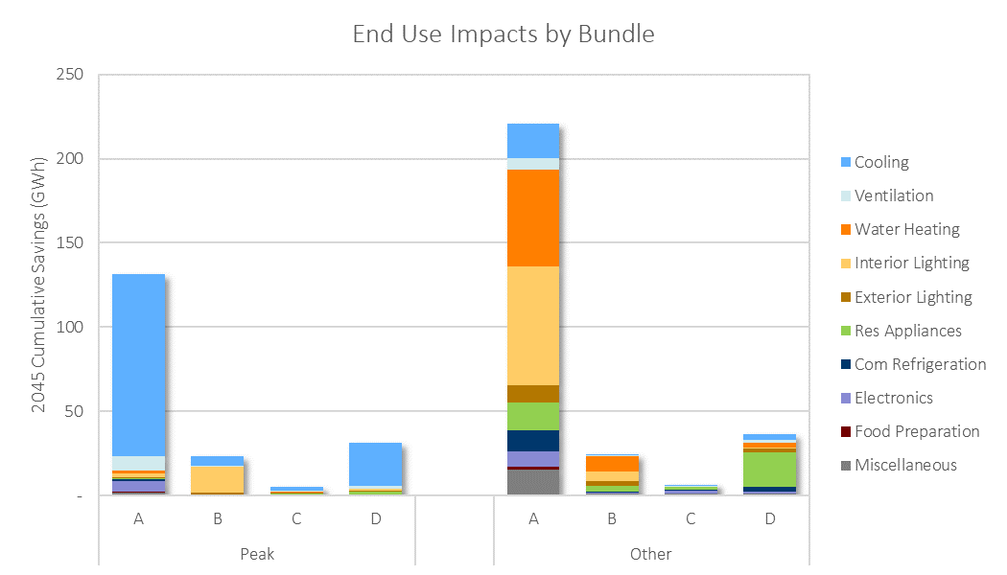

Incremental Potential by Bundle (GWh)
Bundle | 2022 | 2023 | 2024 | 2025 | 2026 | 2027 | 2028 | 2029 | 2030 | 2031 | 2032 | 2033 | 2034 | 2035 | 2036 | 2037 | 2038 | 2039 | 2040 | 2041 | 2042 | 2043 | 2044 | 2045 | 2046 | 2047 | 2048 | 2049 | 2050
Peak_A | 3.91 | 4.38 | 4.96 | 5.54 | 6.12 | 6.67 | 7.33 | 7.55 | 7.47 | 7.78 | 7.42 | 7.28 | 6.53 | 5.82 | 5.65 | 5.41 | 5.33 | 5.98 | 5.19 | 4.22 | 3.63 | 3.31 | 2.86 | 2.84 | 2.81 | 2.77 | 2.72 | 2.67 | 2.61
Other_A | 8.75 | 9.72 | 10.82 | 11.68 | 12.04 | 10.73 | 11.14 | 11.88 | 12.16 | 12.41 | 12.11 | 11.99 | 10.09 | 9.01 | 8.69 | 7.23 | 6.97 | 7.00 | 6.96 | 6.52 | 5.88 | 5.67 | 5.02 | 5.00 | 4.96 | 4.91 | 4.84 | 4.77 | 4.69
Peak_B | 1.65 | 1.56 | 1.65 | 1.59 | 1.24 | 1.04 | 0.98 | 0.94 | 0.86 | 0.83 | 0.79 | 0.78 | 0.72 | 0.68 | 0.68 | 0.66 | 0.59 | 0.62 | 0.46 | 0.28 | 0.25 | 0.28 | 0.25 | 0.25 | 0.24 | 0.24 | 0.24 | 0.24 | 0.23
Other_B | 1.30 | 1.03 | 1.08 | 1.12 | 0.83 | 0.70 | 0.68 | 0.73 | 0.76 | 0.82 | 0.80 | 0.81 | 0.80 | 0.81 | 0.71 | 0.69 | 0.76 | 0.78 | 0.73 | 0.70 | 0.66 | 0.64 | 0.51 | 0.51 | 0.51 | 0.50 | 0.50 | 0.49 | 0.49
Peak_C | 0.18 | 0.19 | 0.21 | 0.22 | 0.24 | 0.25 | 0.26 | 0.27 | 0.28 | 0.28 | 0.28 | 0.29 | 0.27 | 0.24 | 0.24 | 0.24 | 0.23 | 0.23 | 0.21 | 0.19 | 0.18 | 0.17 | 0.17 | 0.17 | 0.17 | 0.17 | 0.17 | 0.16 | 0.16
Other_C | 0.24 | 0.29 | 0.34 | 0.37 | 0.41 | 0.45 | 0.49 | 0.52 | 0.49 | 0.48 | 0.47 | 0.46 | 0.25 | 0.24 | 0.23 | 0.22 | 0.21 | 0.22 | 0.20 | 0.15 | 0.13 | 0.12 | 0.11 | 0.11 | 0.11 | 0.11 | 0.11 | 0.11 | 0.11
Peak_D | 1.55 | 1.77 | 1.98 | 2.19 | 2.38 | 2.56 | 2.73 | 2.88 | 2.83 | 2.77 | 2.64 | 2.55 | 1.26 | 1.10 | 1.09 | 1.09 | 1.05 | 1.00 | 0.86 | 0.58 | 0.52 | 0.51 | 0.49 | 0.49 | 0.48 | 0.48 | 0.47 | 0.47 | 0.46
Other_D | 1.16 | 1.31 | 1.57 | 1.72 | 1.87 | 2.02 | 2.11 | 2.24 | 2.24 | 2.27 | 2.23 | 2.15 | 1.74 | 1.67 | 1.58 | 1.49 | 1.39 | 1.55 | 1.33 | 1.16 | 1.05 | 0.98 | 0.90 | 0.90 | 0.89 | 0.88 | 0.87 | 0.85 | 0.84
Total | 21.62 | 24.66 | 28.05 | 31.38 | 33.43 | 33.67 | 36.29 | 38.53 | 40.17 | 41.45 | 41.60 | 42.21 | 38.11 | 38.58 | 39.49 | 40.37 | 41.22 | 43.34 | 43.84 | 43.38 | 43.02 | 43.81 | 52.15 | 52.38 | 52.71 | 53.13 | 53.65 | 54.26 | 54.96

Cumulative Potential by Bundle (GWh)
Bundle | 2022 | 2023 | 2024 | 2025 | 2026 | 2027 | 2028 | 2029 | 2030 | 2031 | 2032 | 2033 | 2034 | 2035 | 2036 | 2037 | 2038 | 2039 | 2040 | 2041 | 2042 | 2043 | 2044 | 2045 | 2046 | 2047 | 2048 | 2049 | 2050
Peak_A | 4 | 8 | 13 | 19 | 25 | 32 | 39 | 46 | 54 | 62 | 69 | 76 | 83 | 89 | 94 | 100 | 105 | 111 | 116 | 121 | 124 | 127 | 130 | 133 | 136 | 139 | 141 | 144 | 147
Other_A | 9 | 18 | 29 | 41 | 53 | 64 | 75 | 87 | 99 | 111 | 123 | 135 | 146 | 155 | 163 | 170 | 177 | 184 | 191 | 198 | 204 | 209 | 214 | 219 | 224 | 229 | 234 | 239 | 244
Peak_B | 2 | 3 | 5 | 6 | 8 | 9 | 10 | 11 | 12 | 12 | 13 | 14 | 15 | 15 | 16 | 17 | 17 | 18 | 18 | 19 | 19 | 19 | 19 | 20 | 20 | 20 | 20 | 21 | 21
Other_B | 1 | 2 | 3 | 5 | 5 | 6 | 7 | 7 | 8 | 9 | 10 | 11 | 11 | 12 | 13 | 14 | 14 | 15 | 16 | 17 | 17 | 18 | 18 | 19 | 19 | 20 | 20 | 21 | 21
Peak_C | 0 | 0 | 1 | 1 | 1 | 1 | 2 | 2 | 2 | 2 | 3 | 3 | 3 | 3 | 4 | 4 | 4 | 4 | 5 | 5 | 5 | 5 | 5 | 6 | 6 | 6 | 6 | 6 | 6
Other_C | 0 | 1 | 1 | 1 | 2 | 2 | 3 | 3 | 4 | 4 | 5 | 5 | 5 | 6 | 6 | 6 | 6 | 6 | 7 | 7 | 7 | 7 | 7 | 7 | 7 | 7 | 8 | 8 | 8
Peak_D | 2 | 3 | 5 | 7 | 10 | 12 | 15 | 18 | 21 | 24 | 26 | 29 | 30 | 31 | 32 | 33 | 34 | 35 | 36 | 37 | 37 | 38 | 38 | 39 | 39 | 40 | 40 | 41 | 41
Other_D | 1 | 2 | 4 | 6 | 8 | 10 | 12 | 14 | 16 | 19 | 21 | 23 | 25 | 26 | 28 | 29 | 31 | 32 | 34 | 35 | 36 | 37 | 38 | 39 | 40 | 40 | 41 | 42 | 43
Total | 19 | 39 | 62 | 86 | 111 | 136 | 161 | 188 | 215 | 243 | 270 | 296 | 318 | 337 | 356 | 373 | 390 | 407 | 423 | 437 | 449 | 461 | 471 | 481 | 492 | 502 | 512 | 521 | 531

Savings-Weighted LCOE ($/MWh) Real Dollars (2019)
Bundle | 2022 | 2023 | 2024 | 2025 | 2026 | 2027 | 2028 | 2029 | 2030 | 2031 | 2032 | 2033 | 2034 | 2035 | 2036 | 2037 | 2038 | 2039 | 2040 | 2041 | 2042 | 2043 | 2044 | 2045 | 2046 | 2047 | 2048 | 2049 | 2050
Peak_A | $63 | $62 | $62 | $61 | $61 | $61 | $60 | $60 | $60 | $60 | $62 | $64 | $67 | $68 | $71 | $70 | $69 | $72 | $72 | $74 | $75 | $75 | $75 | $75 | $75 | $75 | $75 | $75 | $75
Other_A | $20 | $14 | $10 | $10 | $13 | $45 | $47 | $47 | $46 | $46 | $46 | $45 | $44 | $44 | $44 | $46 | $45 | $45 | $45 | $42 | $42 | $42 | $36 | $36 | $36 | $36 | $36 | $36 | $36
Peak_B | $52 | $52 | $56 | $15 | $16 | $18 | $18 | $19 | $7 | $8 | $10 | $11 | $9 | $10 | $10 | $10 | $8 | $9 | $7 | $2 | -$4 | -$6 | -$6 | -$6 | -$6 | -$6 | -$6 | -$6 | -$6
Other_B | $18 | $19 | $21 | $14 | $16 | $18 | $16 | $18 | $18 | $19 | $19 | $17 | $19 | $20 | $20 | $21 | $23 | $25 | $25 | $24 | $26 | $28 | $14 | $14 | $14 | $14 | $14 | $14 | $14
Peak_C | $209 | $208 | $208 | $207 | $207 | $207 | $207 | $207 | $207 | $207 | $207 | $208 | $206 | $204 | $204 | $205 | $206 | $206 | $198 | $198 | $199 | $198 | $197 | $197 | $198 | $198 | $198 | $198 | $198
Other_C | $173 | $171 | $166 | $165 | $163 | $162 | $160 | $159 | $160 | $160 | $161 | $161 | $161 | $158 | $158 | $159 | $159 | $156 | $159 | $159 | $162 | $164 | $166 | $166 | $166 | $166 | $166 | $166 | $166
Peak_D | $860 | $841 | $827 | $815 | $806 | $797 | $789 | $783 | $783 | $780 | $666 | $597 | $648 | $668 | $672 | $679 | $674 | $670 | $673 | $726 | $736 | $746 | $739 | $739 | $739 | $739 | $739 | $739 | $739
Other_D | $1,552 | $1,489 | $1,318 | $1,273 | $1,233 | $1,193 | $1,158 | $1,127 | $1,133 | $1,126 | $1,089 | $1,041 | $1,055 | $1,048 | $1,061 | $1,072 | $1,082 | $997 | $1,000 | $979 | $966 | $950 | $872 | $872 | $871 | $871 | $871 | $871 | $871
Total | $176 | $168 | $161 | $149 | $151 | $172 | $169 | $168 | $161 | $159 | $147 | $136 | $125 | $124 | $124 | $125 | $124 | $123 | $120 | $115 | $116 | $115 | $96 | $95 | $95 | $95 | $94 | $94 | $93

Savings-Weighted LCOE ($/MWh) Nominal Dollars
Bundle | 2022 | 2023 | 2024 | 2025 | 2026 | 2027 | 2028 | 2029 | 2030 | 2031 | 2032 | 2033 | 2034 | 2035 | 2036 | 2037 | 2038 | 2039 | 2040 | 2041 | 2042 | 2043 | 2044 | 2045 | 2046 | 2047 | 2048 | 2049 | 2050
Peak_A | $63 | $62 | $63 | $62 | $61 | $61 | $60 | $62 | $62 | $61 | $64 | $67 | $72 | $73 | $77 | $79 | $79 | $82 | $85 | $90 | $93 | $93 | $97 | $97 | $97 | $97 | $97 | $97 | $97
Other_A | $20 | $13 | $9 | $10 | $13 | $54 | $57 | $57 | $57 | $58 | $59 | $59 | $62 | $68 | $67 | $67 | $67 | $65 | $67 | $65 | $66 | $67 | $68 | $68 | $68 | $68 | $68 | $68 | $68
Peak_B | $43 | $59 | $61 | $17 | $17 | $35 | $45 | $52 | $43 | $46 | $53 | $57 | $44 | $36 | $33 | $34 | $38 | $43 | $91 | $45 | $30 | -$16 | -$19 | -$19 | -$19 | -$19 | -$19 | -$19 | -$19
Other_B | $38 | $59 | $72 | $74 | $117 | $156 | $175 | $178 | $183 | $183 | $188 | $189 | $191 | $191 | $192 | $192 | $166 | $165 | $165 | $167 | $166 | $166 | $188 | $188 | $188 | $188 | $188 | $188 | $188
Peak_C | $209 | $208 | $208 | $207 | $207 | $207 | $207 | $207 | $207 | $207 | $207 | $207 | $205 | $203 | $203 | $203 | $204 | $204 | $197 | $197 | $197 | $196 | $194 | $193 | $195 | $195 | $195 | $195 | $195
Other_C | $173 | $171 | $166 | $164 | $162 | $161 | $158 | $156 | $159 | $160 | $160 | $160 | $164 | $161 | $163 | $167 | $169 | $163 | $165 | $169 | $177 | $187 | $187 | $187 | $187 | $187 | $187 | $187 | $187
Peak_D | $860 | $841 | $827 | $816 | $806 | $798 | $790 | $785 | $785 | $787 | $671 | $599 | $659 | $675 | $680 | $685 | $676 | $662 | $654 | $741 | $773 | $782 | $781 | $780 | $781 | $781 | $781 | $781 | $781
Other_D | $1,552 | $1,489 | $1,318 | $1,280 | $1,243 | $1,195 | $1,177 | $1,146 | $1,150 | $1,146 | $1,110 | $1,056 | $1,180 | $1,211 | $1,264 | $1,329 | $1,401 | $1,273 | $1,374 | $1,415 | $1,490 | $1,546 | $1,380 | $1,381 | $1,379 | $1,379 | $1,379 | $1,379 | $1,379
Total | $200 | $201 | $194 | $190 | $199 | $234 | $234 | $233 | $231 | $228 | $216 | $202 | $197 | $208 | $212 | $228 | $229 | $219 | $222 | $222 | $233 | $235 | $232 | $232 | $232 | $232 | $232 | $232 | $232

Financial Escalation Factor | 2.1%
LCOE Floor |  | Applies cap to negative levelized costs (e.g. when NEIs push costs negative or efficient option is cheaper than baseline option)
LCOE Ceiling |  | Applies cap to very high levelized costs (e.g. when a measure is an unusually small saver resulting in a near-infinite ratio)

