Summary
Incremental Potential by Bundle (GWh)
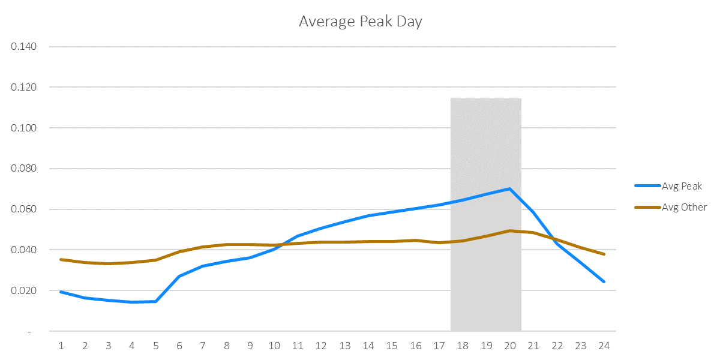
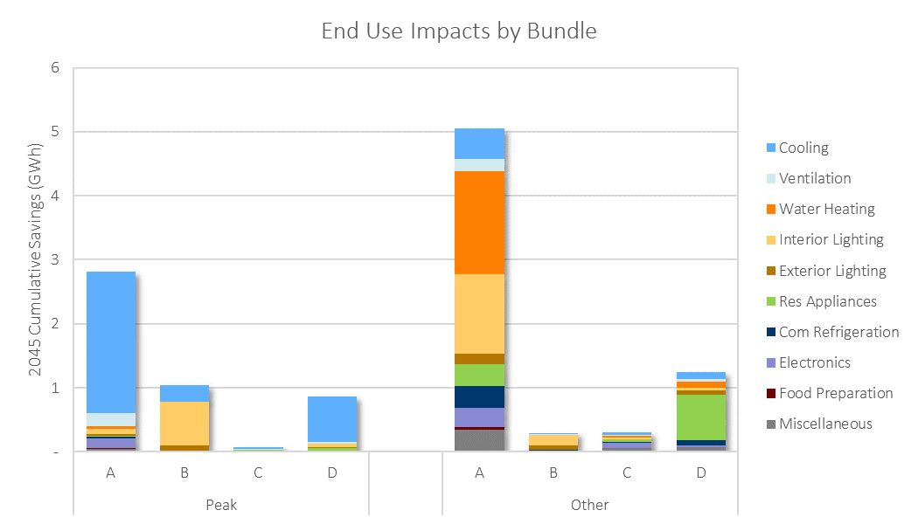

Incremental Potential by Bundle (GWh)
Bundle | 2022 | 2023 | 2024 | 2025 | 2026 | 2027 | 2028 | 2029 | 2030 | 2031 | 2032 | 2033 | 2034 | 2035 | 2036 | 2037 | 2038 | 2039 | 2040 | 2041 | 2042 | 2043 | 2044 | 2045 | 2046 | 2047 | 2048 | 2049 | 2050
Peak_A | 0.07 | 0.09 | 0.10 | 0.12 | 0.13 | 0.14 | 0.16 | 0.16 | 0.16 | 0.17 | 0.16 | 0.16 | 0.14 | 0.12 | 0.12 | 0.12 | 0.12 | 0.13 | 0.13 | 0.10 | 0.08 | 0.08 | 0.07 | 0.07 | 0.07 | 0.06 | 0.06 | 0.06 | 0.06
Other_A | 0.17 | 0.20 | 0.24 | 0.27 | 0.27 | 0.26 | 0.27 | 0.30 | 0.31 | 0.32 | 0.32 | 0.32 | 0.26 | 0.26 | 0.25 | 0.23 | 0.22 | 0.22 | 0.23 | 0.22 | 0.19 | 0.18 | 0.17 | 0.16 | 0.16 | 0.16 | 0.16 | 0.16 | 0.16
Peak_B | 0.07 | 0.07 | 0.07 | 0.07 | 0.05 | 0.04 | 0.04 | 0.04 | 0.03 | 0.03 | 0.03 | 0.03 | 0.03 | 0.03 | 0.03 | 0.03 | 0.03 | 0.03 | 0.03 | 0.02 | 0.02 | 0.02 | 0.02 | 0.02 | 0.02 | 0.02 | 0.02 | 0.02 | 0.02
Other_B | 0.04 | 0.03 | 0.03 | 0.03 | 0.01 | 0.01 | 0.01 | 0.01 | 0.00 | 0.00 | 0.00 | 0.00 | 0.00 | 0.00 | 0.00 | 0.00 | 0.00 | 0.00 | 0.00 | 0.00 | 0.00 | 0.00 | 0.00 | 0.00 | 0.00 | 0.00 | 0.00 | 0.00 | 0.00
Peak_C | 0.00 | 0.00 | 0.00 | 0.00 | 0.00 | 0.00 | 0.00 | 0.00 | 0.00 | 0.00 | 0.00 | 0.00 | 0.00 | 0.00 | 0.00 | 0.00 | 0.00 | 0.00 | 0.00 | 0.00 | 0.00 | 0.00 | 0.00 | 0.00 | 0.00 | 0.00 | 0.00 | 0.00 | 0.00
Other_C | 0.01 | 0.02 | 0.02 | 0.02 | 0.02 | 0.02 | 0.02 | 0.02 | 0.02 | 0.02 | 0.02 | 0.01 | 0.01 | 0.01 | 0.01 | 0.01 | 0.01 | 0.01 | 0.01 | 0.01 | 0.00 | 0.00 | 0.00 | 0.00 | 0.00 | 0.00 | 0.00 | 0.00 | 0.00
Peak_D | 0.04 | 0.04 | 0.05 | 0.05 | 0.06 | 0.06 | 0.07 | 0.07 | 0.07 | 0.07 | 0.07 | 0.07 | 0.03 | 0.03 | 0.03 | 0.03 | 0.03 | 0.03 | 0.03 | 0.02 | 0.02 | 0.02 | 0.02 | 0.02 | 0.02 | 0.02 | 0.02 | 0.02 | 0.02
Other_D | 0.03 | 0.03 | 0.04 | 0.05 | 0.06 | 0.06 | 0.07 | 0.07 | 0.07 | 0.08 | 0.08 | 0.08 | 0.06 | 0.06 | 0.05 | 0.05 | 0.05 | 0.05 | 0.05 | 0.04 | 0.04 | 0.03 | 0.03 | 0.03 | 0.03 | 0.03 | 0.03 | 0.03 | 0.03
Total | 0.43 | 0.49 | 0.55 | 0.61 | 0.60 | 0.60 | 0.64 | 0.67 | 0.68 | 0.70 | 0.69 | 0.67 | 0.55 | 0.52 | 0.51 | 0.48 | 0.47 | 0.50 | 0.49 | 0.40 | 0.35 | 0.34 | 0.30 | 0.30 | 0.30 | 0.30 | 0.29 | 0.29 | 0.29

Cumulative Potential by Bundle (GWh)
Bundle | 2022 | 2023 | 2024 | 2025 | 2026 | 2027 | 2028 | 2029 | 2030 | 2031 | 2032 | 2033 | 2034 | 2035 | 2036 | 2037 | 2038 | 2039 | 2040 | 2041 | 2042 | 2043 | 2044 | 2045 | 2046 | 2047 | 2048 | 2049 | 2050
Peak_A | 0 | 0 | 0 | 0 | 1 | 1 | 1 | 1 | 1 | 1 | 1 | 2 | 2 | 2 | 2 | 2 | 2 | 2 | 3 | 3 | 3 | 3 | 3 | 3 | 3 | 3 | 3 | 3 | 3
Other_A | 0 | 0 | 1 | 1 | 1 | 1 | 2 | 2 | 2 | 3 | 3 | 3 | 4 | 4 | 4 | 4 | 4 | 5 | 5 | 5 | 5 | 6 | 6 | 6 | 6 | 6 | 6 | 7 | 7
Peak_B | 0 | 0 | 0 | 0 | 0 | 0 | 0 | 0 | 0 | 1 | 1 | 1 | 1 | 1 | 1 | 1 | 1 | 1 | 1 | 1 | 1 | 1 | 1 | 1 | 1 | 1 | 1 | 1 | 1
Other_B | 0 | 0 | 0 | 0 | 0 | 0 | 0 | 0 | 0 | 0 | 0 | 0 | 0 | 0 | 0 | 0 | 0 | 0 | 0 | 0 | 0 | 0 | 0 | 0 | 0 | 0 | 0 | 0 | 0
Peak_C | 0 | 0 | 0 | 0 | 0 | 0 | 0 | 0 | 0 | 0 | 0 | 0 | 0 | 0 | 0 | 0 | 0 | 0 | 0 | 0 | 0 | 0 | 0 | 0 | 0 | 0 | 0 | 0 | 0
Other_C | 0 | 0 | 0 | 0 | 0 | 0 | 0 | 0 | 0 | 0 | 0 | 0 | 0 | 0 | 0 | 0 | 0 | 0 | 0 | 0 | 0 | 0 | 0 | 0 | 0 | 0 | 0 | 0 | 0
Peak_D | 0 | 0 | 0 | 0 | 0 | 0 | 0 | 0 | 1 | 1 | 1 | 1 | 1 | 1 | 1 | 1 | 1 | 1 | 1 | 1 | 1 | 1 | 1 | 1 | 1 | 1 | 1 | 1 | 1
Other_D | 0 | 0 | 0 | 0 | 0 | 0 | 0 | 0 | 0 | 1 | 1 | 1 | 1 | 1 | 1 | 1 | 1 | 1 | 1 | 1 | 1 | 1 | 1 | 1 | 1 | 1 | 1 | 1 | 1
Total | 0 | 1 | 1 | 2 | 3 | 3 | 4 | 5 | 5 | 6 | 7 | 7 | 8 | 8 | 9 | 9 | 10 | 10 | 11 | 11 | 12 | 12 | 12 | 13 | 13 | 13 | 13 | 14 | 14

Savings-Weighted LCOE ($/MWh) Real Dollars (2019)
Bundle | 2022 | 2023 | 2024 | 2025 | 2026 | 2027 | 2028 | 2029 | 2030 | 2031 | 2032 | 2033 | 2034 | 2035 | 2036 | 2037 | 2038 | 2039 | 2040 | 2041 | 2042 | 2043 | 2044 | 2045 | 2046 | 2047 | 2048 | 2049 | 2050
Peak_A | $44 | $48 | $48 | $50 | $52 | $51 | $51 | $54 | $55 | $53 | $57 | $58 | $67 | $69 | $60 | $62 | $62 | $56 | $67 | $83 | $77 | $73 | $91 | $82 | $73 | $73 | $74 | $74 | $74
Other_A | -$1 | -$3 | -$4 | -$9 | -$2 | $20 | $43 | $43 | $44 | $52 | $56 | $60 | $73 | $64 | $67 | $68 | $66 | $65 | $62 | $68 | $75 | $72 | $79 | $72 | $72 | $73 | $73 | $73 | $73
Peak_B | $49 | $41 | $50 | $13 | $12 | $4 | $22 | $32 | $29 | $32 | $38 | $45 | $55 | $61 | $37 | $45 | $48 | $45 | $62 | $147 | $74 | $64 | $43 | $39 | $39 | $39 | $40 | $40 | $40
Other_B | $4 | $5 | $8 | $4 | $18 | $86 | $114 | $136 | $159 | $160 | $196 | $291 | $309 | $273 | $270 | $273 | $123 | $117 | $123 | $190 | $68 | $48 | $188 | $213 | $213 | $213 | $213 | $214 | $214
Peak_C | $182 | $193 | $196 | $197 | $204 | $206 | $208 | $213 | $217 | $215 | $217 | $211 | $210 | $209 | $208 | $209 | $209 | $210 | $219 | $472 | $321 | $266 | $264 | $261 | $262 | $263 | $264 | $266 | $267
Other_C | $145 | $151 | $157 | $164 | $165 | $164 | $169 | $172 | $180 | $179 | $182 | $255 | $193 | $185 | $184 | $189 | $187 | $187 | $191 | $477 | $281 | $195 | $200 | $195 | $195 | $196 | $197 | $197 | $198
Peak_D | $604 | $639 | $668 | $687 | $706 | $719 | $729 | $740 | $789 | $791 | $788 | $848 | $1,568 | $701 | $604 | $611 | $613 | $607 | $637 | $869 | $670 | $618 | $646 | $636 | $625 | $626 | $627 | $628 | $629
Other_D | $1,569 | $941 | $863 | $864 | $864 | $850 | $864 | $837 | $891 | $892 | $906 | $940 | $1,219 | $1,017 | $1,051 | $1,127 | $1,184 | $1,048 | $1,143 | $1,399 | $1,375 | $1,455 | $1,437 | $1,399 | $1,400 | $1,403 | $1,406 | $1,409 | $1,413
Total | $175 | $141 | $146 | $150 | $174 | $200 | $215 | $217 | $228 | $227 | $234 | $240 | $288 | $211 | $203 | $213 | $215 | $205 | $214 | $254 | $237 | $232 | $246 | $236 | $236 | $237 | $237 | $237 | $238

Savings-Weighted LCOE ($/MWh) Nominal Dollars
Bundle | 2022 | 2023 | 2024 | 2025 | 2026 | 2027 | 2028 | 2029 | 2030 | 2031 | 2032 | 2033 | 2034 | 2035 | 2036 | 2037 | 2038 | 2039 | 2040 | 2041 | 2042 | 2043 | 2044 | 2045 | 2046 | 2047 | 2048 | 2049 | 2050
Peak_A | $44 | $49 | $50 | $53 | $57 | $57 | $58 | $62 | $65 | $64 | $70 | $72 | $86 | $90 | $81 | $85 | $86 | $80 | $97 | $124 | $116 | $113 | $144 | $133 | $121 | $123 | $126 | $129 | $133
Other_A | -$1 | -$3 | -$4 | -$9 | -$2 | $22 | $49 | $50 | $52 | $63 | $69 | $75 | $93 | $84 | $90 | $93 | $92 | $93 | $90 | $101 | $114 | $112 | $124 | $116 | $119 | $122 | $125 | $128 | $130
Peak_B | $49 | $42 | $52 | $14 | $13 | $4 | $25 | $37 | $34 | $38 | $47 | $57 | $71 | $79 | $49 | $61 | $67 | $65 | $90 | $218 | $112 | $99 | $68 | $63 | $65 | $66 | $68 | $69 | $71
Other_B | $4 | $6 | $8 | $4 | $20 | $96 | $130 | $157 | $188 | $193 | $242 | $366 | $397 | $358 | $362 | $372 | $172 | $167 | $179 | $281 | $103 | $75 | $297 | $344 | $351 | $359 | $366 | $374 | $382
Peak_C | $182 | $197 | $205 | $210 | $221 | $229 | $236 | $247 | $256 | $259 | $267 | $266 | $270 | $274 | $279 | $285 | $291 | $298 | $318 | $701 | $487 | $412 | $417 | $421 | $432 | $443 | $454 | $466 | $478
Other_C | $145 | $155 | $163 | $175 | $179 | $182 | $191 | $199 | $213 | $216 | $224 | $321 | $248 | $242 | $246 | $258 | $260 | $266 | $277 | $709 | $425 | $302 | $316 | $314 | $322 | $330 | $338 | $346 | $355
Peak_D | $604 | $652 | $697 | $731 | $767 | $797 | $826 | $856 | $932 | $953 | $971 | $1,066 | $2,012 | $919 | $807 | $835 | $855 | $864 | $927 | $1,290 | $1,016 | $956 | $1,020 | $1,025 | $1,029 | $1,052 | $1,076 | $1,100 | $1,125
Other_D | $1,569 | $961 | $899 | $920 | $939 | $943 | $979 | $968 | $1,052 | $1,075 | $1,116 | $1,181 | $1,565 | $1,332 | $1,406 | $1,540 | $1,651 | $1,492 | $1,661 | $2,076 | $2,083 | $2,251 | $2,270 | $2,256 | $2,305 | $2,358 | $2,413 | $2,470 | $2,528
Total | $175 | $144 | $152 | $159 | $190 | $222 | $243 | $251 | $269 | $274 | $288 | $301 | $370 | $276 | $271 | $291 | $299 | $292 | $311 | $376 | $359 | $358 | $388 | $381 | $389 | $398 | $407 | $416 | $425

Financial Escalation Factor | 2.1%
LCOE Floor |  | Applies cap to negative levelized costs (e.g. when NEIs push costs negative or efficient option is cheaper than baseline option)
LCOE Ceiling |  | Applies cap to very high levelized costs (e.g. when a measure is an unusually small saver resulting in a near-infinite ratio)

