Annual VMT
Annual Vehicle Miles Travelled (In Millions)
Year | Oahu | Hawaii Island | Maui | Molokai | Lanai
2011 | 6,592 | 1,769 | 1,471 | 18 | 8 | Source: | http://files.hawaii.gov/dbedt/economic/databook/db2018/section18.pdf
2012 | 7,096 | 1,916 | 1,610 | 20 | 9 |  | Molokai/Lanai/Maui Allocation prepared by DBEDT's EV Program Manager Margaret Larson
2013 | 7,388 | 2,025 | 1,716 | 22 | 10
2014 | 6,185 | 1,683 | 1,477 | 21 | 10
2015 | 6,812 | 1,891 | 1,563 | 20 | 9
2016 | 6,782 | 1,910 | 1,578 | 20 | 9
2017 | 6,892 | 1,967 | 1,606 | 20 | 9
2018 | 6,901 | 1,995 | 1,618 | 20 | 9
2019 | 6,977 | 2,017 | 1,636 | 21 | 9
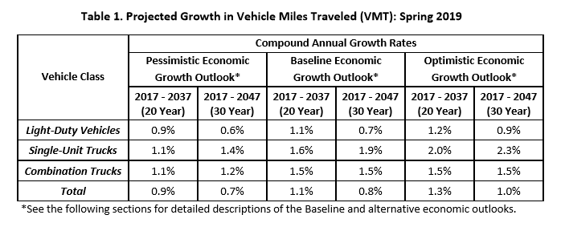
2020 | 7,054 | 2,039 | 1,654 | 21 | 9
2021 | 7,131 | 2,061 | 1,672 | 21 | 10
2022 | 7,210 | 2,084 | 1,690 | 21 | 10
2023 | 7,289 | 2,107 | 1,709 | 22 | 10
2024 | 7,369 | 2,130 | 1,728 | 22 | 10
2025 | 7,450 | 2,154 | 1,747 | 22 | 10
2026 | 7,532 | 2,177 | 1,766 | 22 | 10
2027 | 7,615 | 2,201 | 1,786 | 23 | 10
2028 | 7,699 | 2,226 | 1,805 | 23 | 10
2029 | 7,784 | 2,250 | 1,825 | 23 | 10
2030 | 7,869 | 2,275 | 1,845 | 23 | 11
2031 | 7,956 | 2,300 | 1,865 | 24 | 11 | Source: | https://www.fhwa.dot.gov/policyinformation/tables/vmt/vmt_forecast_sum.pdf
2032 | 8,043 | 2,325 | 1,886 | 24 | 11 | 2017-2037 Growth Rate |  | 1.10%
2033 | 8,132 | 2,351 | 1,907 | 24 | 11 | 2017-2047 Growth Rate |  | 0.70%
2034 | 8,221 | 2,377 | 1,928 | 24 | 11 | 2038-2047 Growth Rate |  | -0.06%
2035 | 8,312 | 2,403 | 1,949 | 25 | 11
2036 | 8,403 | 2,429 | 1,970 | 25 | 11
2037 | 8,496 | 2,456 | 1,992 | 25 | 11
2038 | 8,491 | 2,454 | 1,991 | 25 | 11
2039 | 8,485 | 2,453 | 1,990 | 25 | 11
2040 | 8,480 | 2,451 | 1,988 | 25 | 11
2041 | 8,475 | 2,450 | 1,987 | 25 | 11
2042 | 8,470 | 2,448 | 1,986 | 25 | 11
2043 | 8,465 | 2,447 | 1,985 | 25 | 11
2044 | 8,460 | 2,446 | 1,984 | 25 | 11
2045 | 8,455 | 2,444 | 1,982 | 25 | 11
2046 | 8,450 | 2,443 | 1,981 | 25 | 11
2047 | 8,445 | 2,441 | 1,980 | 25 | 11
2048 | 8,440 | 2,440 | 1,979 | 25 | 11 | * Growth Rate remains constant after 2047
2049 | 8,435 | 2,438 | 1,978 | 25 | 11
2050 | 8,430 | 2,437 | 1,976 | 25 | 11

